Consumer
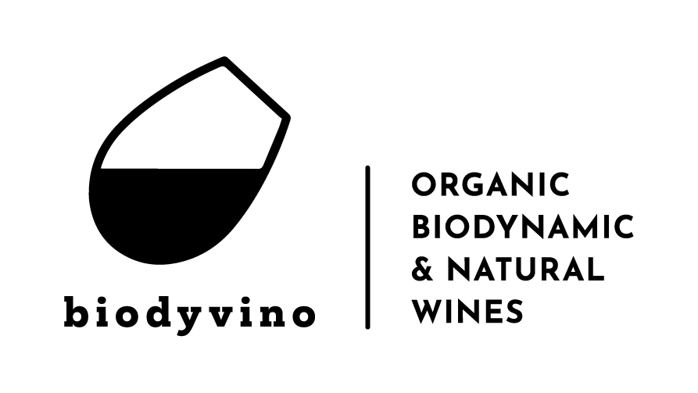
Schelselei 15C | Date: 10/12/2023
2630 Aartselaar | Order number: |  | 1
Tel: 03/877 32 06 | Customer details:
email: order@biodyvino.be | Name:……………………………………………….
Website: www.biodyvino.be | Email:...................................................
BE90 0689 4141 4632 | Tel:.......................................................

 | Would you like an invoice? Yes/no
 | VATn°:……………………………………………….

Consumer price & order list |  | Price VAT inclu (bottle) | QTY (bottle)
Table 1 - Sparkling
Le Spinee Spumante Brut Bio Veneto - Italy (Glera) - (SCHVEN-SPS) |  | € 14.95
Delmas Crémant De Limoux Cuvée Des Sacres Brut Millésimé 2020 Bio Limoux - France - Chardonnay/Chenin - 30 months ageing sur lattes (SCHAUD-BLS) |  | 24,50 -> € 18,90
Nobl Fermented Blend Alcohol Free Bio >> 5 + 1 free Belgium (SCHBEL-NBL) |  | 13,95 -> € 6,60
Table 2 - White
Stupino Langhe Arneis Bio Piemonte - Italy (WITPIE-SLA) |  | 15,90 -> € 11,30
Zwolberich Riesling Meereskies Biodynamie >> Very limited Stock Nahe - Germany (WITDUI-RGE) |  | 14,98 -> € 12,30
Domaine Aumonier Cuvée Henri Chenin Blanc Biodynamic Loire - France (WITLOI-AUC) |  | 16,60 -> € 11,85
Johannes Trapl Weissburgunder Biodynamic / Natural wine Carnuntum - Austria - Fermented and aged in Amphora, unfiltered (WITOOS-TWB) |  | € 18.80
Claude Vialde Elegance Nord 436° Chardonnay Bio Limour - France - Partly fermented and aged in oak barrels (WITCOR-AEC) |  | € 11.90
Almandino Rioja Maturana Blanca Bio Rioja Alta - Spain (WITRIO-AMB) |  | 19,90 -> € 14,40
Château Saint Hilaire Graves Blanc Bio Bordeaux - France - Sauvignon, Sémillon - fermented and aged in new oak barrels (WITBOR-GHW) |  | € 19.40
Table 3 - Domaine Rimbert
Angel Pipi Sauvignon Blanc Bio / Natural wine Saint-Chinian - France (WITLAN-RPIP) |  | € 12.50
Ugni Glou Natural wine Saint-Chinian - France - Ugni blanc (WITLAN-RUGL) |  | € 11.40
Petit Cochon Bronzé Bio / Natural wine Saint-Chinian - France - Cinsault, Syrah (ROSLAN-RPCB) |  | € 11.40
Cousin Oscar Natural wine Saint-Chinian - France - Pinot Noir (RODLAN-RCOC) |  | € 12.70
Dodo Wein Bio / Natural wine Saint-Chinian - France - Syrah, Grenache (RODLAN-DODO) |  | € 11.40
Table 4 - Santa Tresa / Integro
Santa Tresa Frappato Spumante Brut Rosé Bio Sicily - Italy (SCHSIC-TFR) |  | € 17.95
Purato Pinot Grigio/Catarratto Bio Sicily - Italy (WITSIC-PUC) |  | € 9.95
Integro Verdeca Bio Sicily - Italy (WITPUG-VER) |  | € 7.90
Santa Tresa Rina Ianca Grillo/Viognier Bio Sicily - Italy (WITSIC-TGV) |  | € 12.80
Santa Tresa Insieme Orange Bio / Natural wine Sicily - Italy - Inzolia/Zibibbo (WITSIC-INS) |  | € 14.90
Purato Rosé Nero D’Avola Bio Sicily - Italy (ROSSIC-PROS) |  | € 9.95
Santa Tresa Rina Russa Frappato Bio Sicily - Italy (RODSIC-TFR) |  | € 12.80
Purato Nero D’avola Bio Sicily - Italy (RODSIC-PUN) |  | € 9.95
Integro Primitivo Bio Sicily - Italy (RODPUG-IPRI) |  | € 11.45
Integro Negroamaro Bio Sicily - Italy (RODPUG-ANE) |  | € 11.45
Purato Siccari Nero D’Avola Appassimento Bio Sicily - Italy (RODSIC-PSIC) |  | € 12.20
Santa Tresa Cerasuolo Di Vittoria DOCG Bio Sicily - Italy (RODSIC-CDV) |  | € 15.20
Purato Giftbox Bio Sicily - Italy (BOXSIC-PGB) |  | € 29.70
Table 5 - Red
Birgit Braunstein Rosengarten Biodynamic Leithaberg - Austria - Zweigelt, Blaufrankisch (RODOOS-BBRG) |  | 15,90 -> € 10,90
Uva De Vida Luna Biodynamic / Natural wine Tierra De Castilla - Spain - Graciano/Tempranillo (RODMAN-UVLU) |  | 18,80 -> € 13,30
Wild Nature Rosso Veneto Bio Valpolicella - Italy - Corvina, Raboso - 12 months ageing in small oak barrels (RODVEN-FWR) |  | € 10.90
Belsetan Aragon Single Vineyard Garnacha Bio Aragon - Spain (RODMAN-BELS) |  | 12,20 -> 7,20
Michel Magnien Morey St Denis Très Girard Biodynamic >> Limited Stock Bourgogne - France (RODBOU-MBD) |  | 53,90 -> 38,80
Domaine Prés Lasses Castel Viel Rouge Bio / Natural wine Faugères - France - Old vine Carignan, Syrah, Grenach, Mourvèdre, fermented and aged in amphora and oak (RODFAU-PCVR) |  | € 22.80
Domaine La Louvière L’Empereur Bio Malepère - France - merlot, cabernet franc, malbec - 14 months ageing in new oak - J. Robinson: 17 pnt (RODLAN-LEM) |  | 35,70 -> € 26,50
Table 6 - Fortified & Spirits
Kervéguen Chouchenn Grand Père Bio Brittany - France (SPIBRT-KCCH) |  | 33,70 -> € 21,95
Casal Dos Jordoes Porto Fine Tawny Bio Douro - Portugal (RODPOR-CJT) |  | € 22.95
Walcher Limoncello Bio Alto Adige - Italy (SPIHUM-LIM) |  | € 24.40
Walcher Amaretto Di Mattia Bio Alto Adige - Italy (SPIHUM-AMA) |  | € 31.50
Gin White Socks Bio Switzerland (SPIHUM-GIN) |  | € 37.95
Buen Amigo Tequila Reposado Bio Mexico (SPIHUM-TEQ) |  | € 56.80
Domaine De La Flaguerie Calvados VSOP 6 Ans 35cl Bio Normandy - France (SPINOR-CAL/) |  | 35,70 -> € 19,90
Brard Blanchard Cognac Sélection Bio Charentes - France (SPIBOR-COG) |  | € 64.90
Aperitivo Naturale Veneziano Bio Veneto - Italy (SPIHUM-AVE) |  | € 19.70

